Programming Admin_Planning
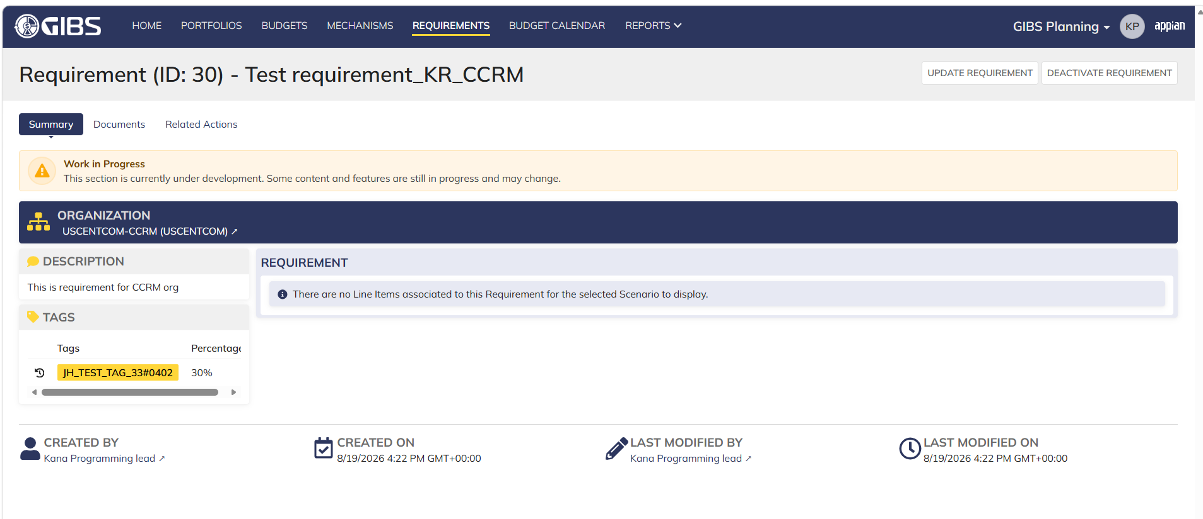
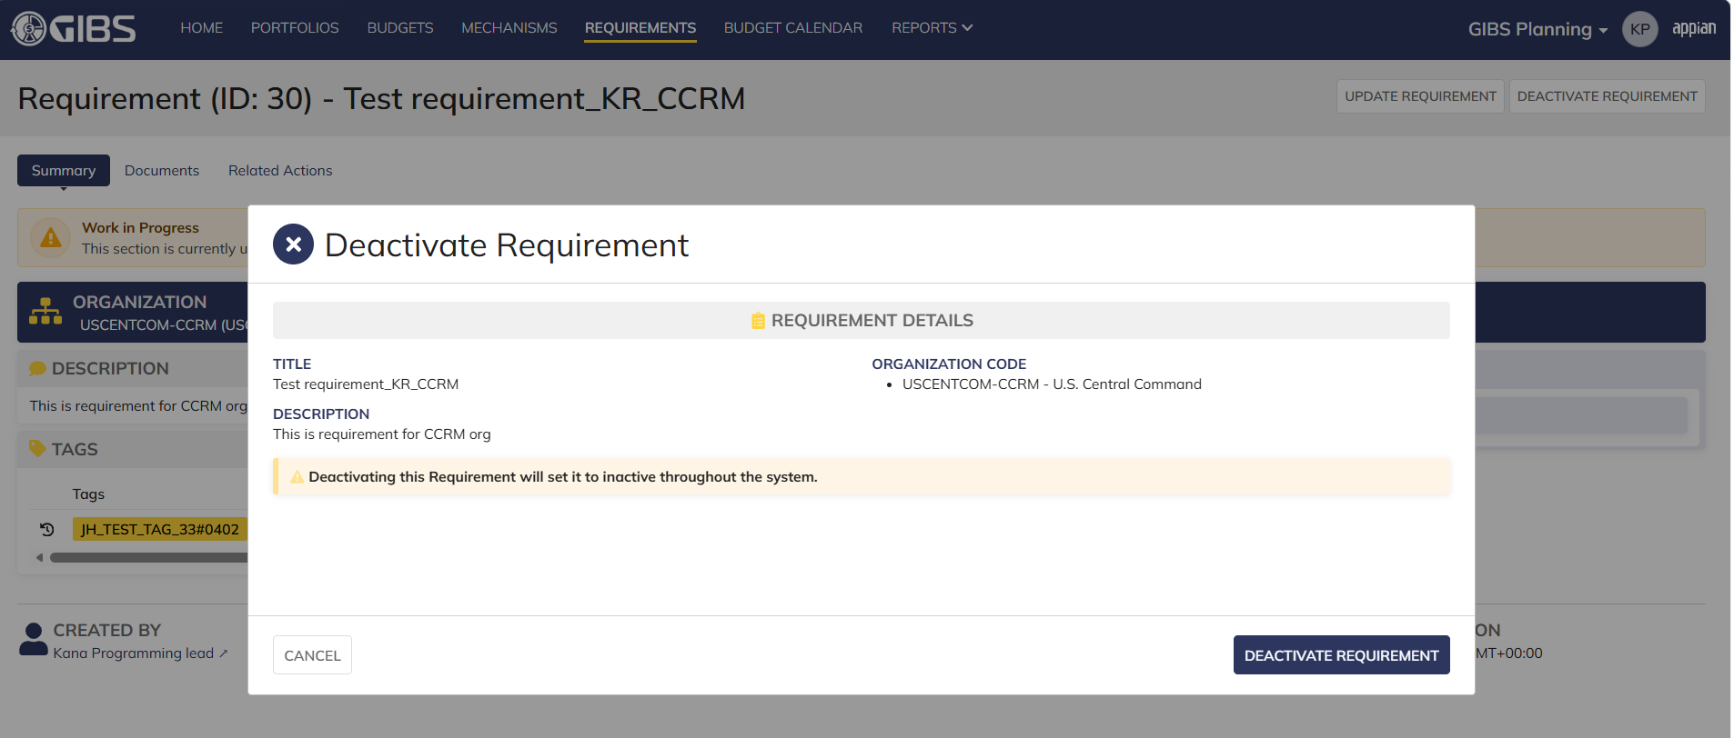
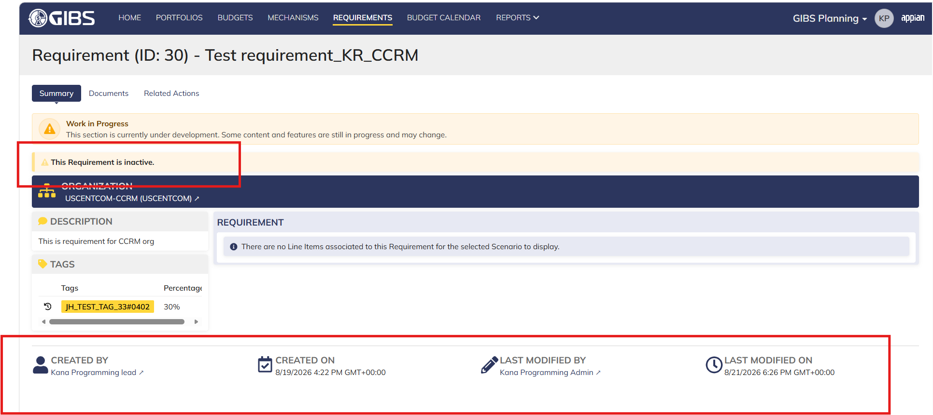
DIABPS Sprint 1.1 - DIABPS-65 TEST CASE SCENARIO |  | TESTER INFO
Test Case ID: | DIABPS_65#01 | Created By: | Kana Raghavan
Test Scenario: | A user with an appropriate role can deactivate a requirement from planning module | Created On: | 2026-07-31
User Story: | Deactivate a requirement( Planning and Execution Modules) | Reviewed By: | Jordan Helman
Story Description: | As a Programming Admin, user can deactivate a requirement. | Reviewed On: | 2026-08-14
Environment: | GIBS Test | Executed By: | Kana Raghavan
User Role(s): | Programming Admin for (ES/DS) Org | Executed On: | 2026-08-21
Pre-Conditions: | User able to login to Planning module successfully as Programming Admin who is assigned to specific Org (ES/DS)
Acceptance Criteria | From a requirement, user can take the action to deactivate a requirement that is not linked to any line items The requirement will still be visible in the system as deactivated User can filter on the requirements site page (active requirements are displayed by default) No actions will be available on this requirement The user will be able have the option to cancel out of the form The system will record the user who performed the action and the date and time it was performed.

Step Number | Step Description | Input Data | Expected Results | Pass/Fail
STEP 1 | Log in as a user with Programming Admin credential. User should be assigned to a specific Org (ES/DS). https://ams-test.appiancloud.us/suite/ | Username: | User able to login successfully | Pass
STEP 2 | Click on GIBS Planning module on top right dropdown to launch Planning module | N/A | User able to click on dropdown and able to launch Planning module | Pass
STEP 3 | Click on "Requirements" Tab | N/A | User able to click requirements tab and current requirements are displayed with all details | Pass
STEP 4 | User able to view all the requirements listed with below headers ID Title Description Organization code Active | N/A | Current requirements are listed with below fields ID Title Description Organization code Active | Pass
STEP 5 | User clicks on ID to open the requirement | N/A | User able to click on ID and requirement screen is displayed | Pass
STEP 6 | Requirement screen is displayed with Requirement ID, Title as header "Deactivate Requirement" option is enabled and displayed on top right corner. "Deactivate requirement" is displayed only when no line items are linked, If there are line items linked deactivate option is not available. Sub-tabs are displayed and user able to click on below tabs: Summary Documents Related actions | N/A | Requirement screen with details and "Deactivate requirement" option is displayed. This option is displayed only if there are no line items linked to requirement. If line items are linked to requirement option is not displayed. User able to click on all sub-tabs successfully. | Pass
STEP 7 | User confirms there are no associated line items . User clicks on "Deactivate Requirement" from Summary sub tab | N/A | User successfully clicks on Deactivate requirement option | Pass
STEP 8 | Deactivate requirement pop up window is displayed with requirement details. User sees below message " Deactivating this requirement will set to inactive throughout the system" | N/A | User able to see pop up window and deactivate message successfully. | Pass
STEP 9 | User clicks on "Deactivate Requirement" | N/A | User able to click on "Deactivate requirement" and "Action Completed" is displayed | Pass
STEP 10 | On Summary Screen system will record the user who performed the action and the datetime it was performed. Below details are displayed for successful update Created By Created On Last Modified By Last Modified On | N/A | System successfully records the update and details are displayed | Pass
STEP 11 | User able to perform steps 8-10 by clicking on "Deactivate Requirement" option from "Related Action" Tab | Same as Steps 8-10 | User able to successfully deactivate requirement and record updated accordingly | Pass
STEP 12 | User clicks on "Requirements" tab and all requirements are listed. User should be able to click on "Show Filter" and select Active field as "No" and click on Search | User selects Active? Radio button as No | User able to filter on requirement that are inactive and displays on the screen successfully | Pass

Evidences
 | Login as DS Programming Admin

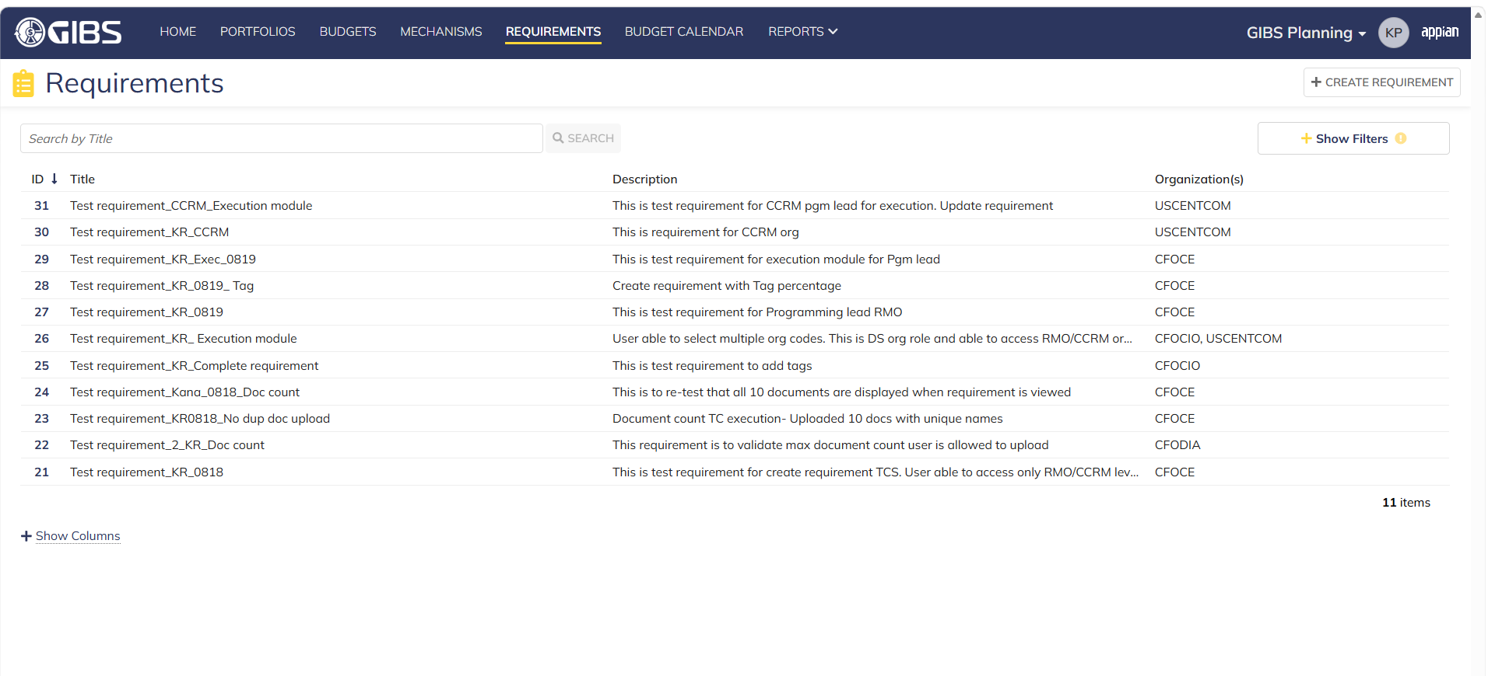

 | Deactivating Req ID 30

Programming Admin_Execution
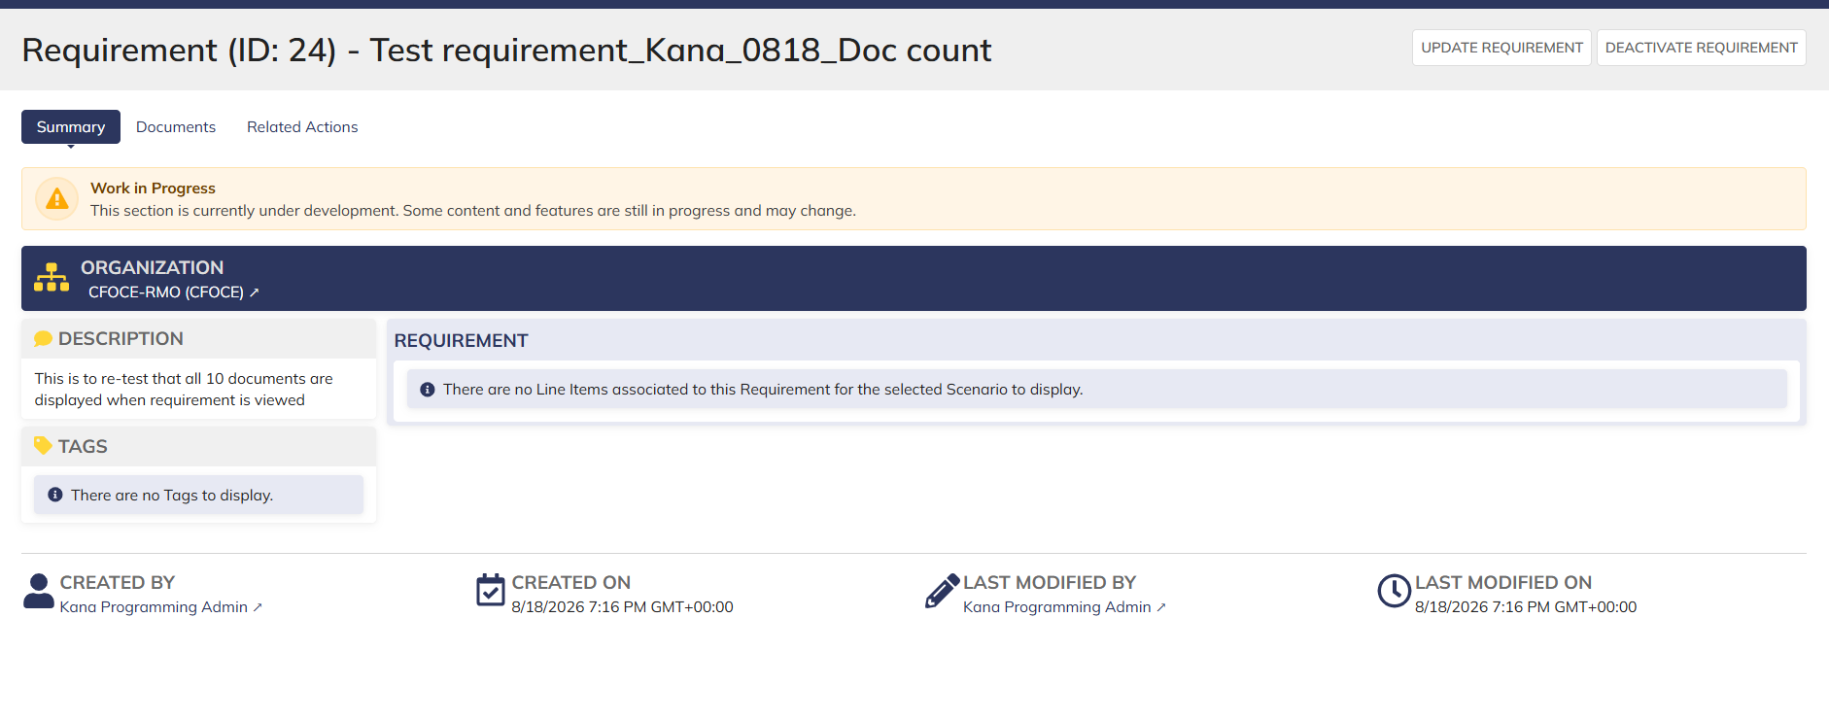
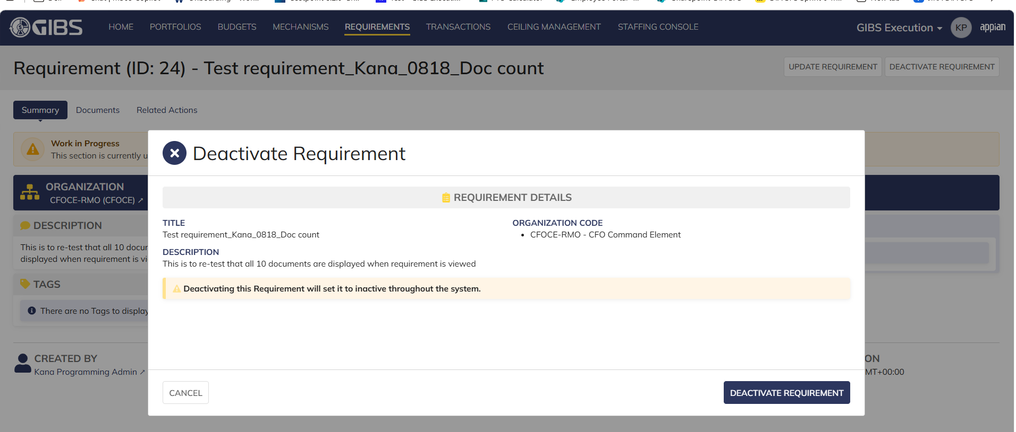
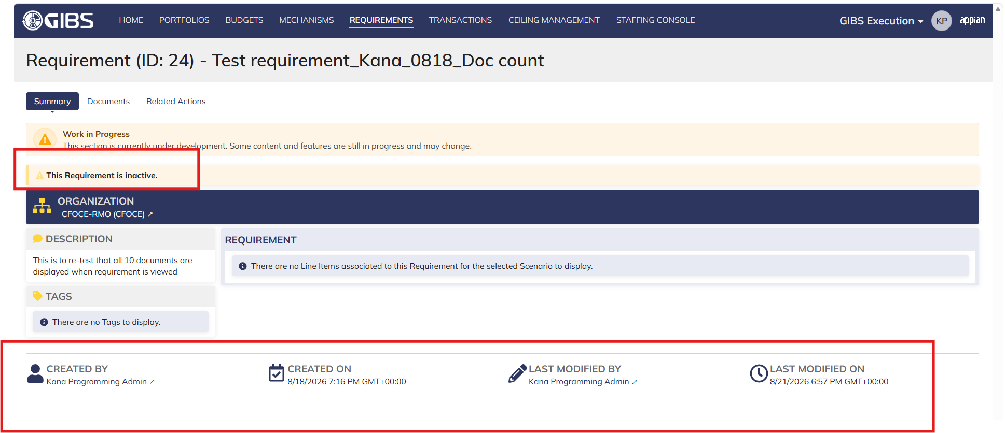
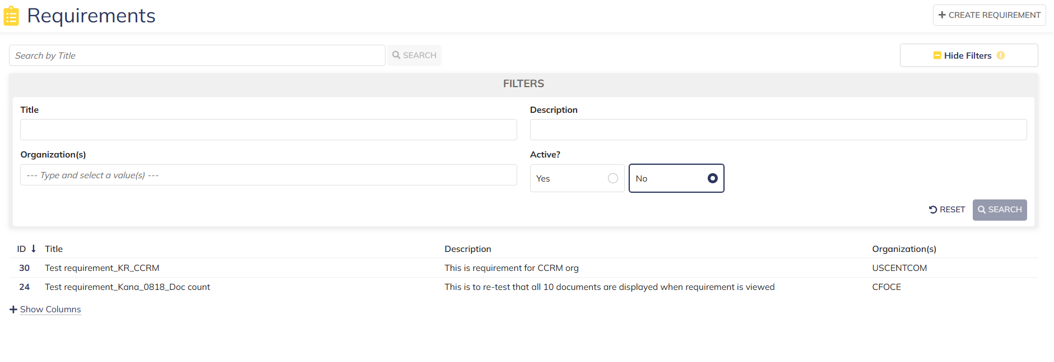
DIABPS Sprint 1.1 - DIABPS-65 TEST CASE SCENARIO |  | TESTER INFO
Test Case ID: | DIABPS_65#02 | Created By: | Kana Raghavan
Test Scenario: | A user with an appropriate role can deactivate a requirement from execution module | Created On: | 2026-07-31
User Story: | Deactivate a requirement( Planning and Execution Modules) | Reviewed By: | Jordan Helman
Story Description: | As a Programming Admin, user can deactivate a requirement. | Reviewed On: | 2026-08-14
Environment: | GIBS Test | Executed By: | Kana Raghavan
User Role(s): | Programming Admin for (ES/DS) Org | Executed On: | 2026-08-21
Pre-Conditions: | User able to login to Execution module successfully as Programming Admin who is assigned to specific Org (ES/DS)
Acceptance Criteria | From a requirement, user can take the action to deactivate a requirement that is not linked to any line items The requirement will still be visible in the system as deactivated User can filter on the requirements site page (active requirements are displayed by default) No actions will be available on this requirement The user will be able have the option to cancel out of the form The system will record the user who performed the action and the date and time it was performed.

Step Number | Step Description | Input Data | Expected Results | Pass/Fail
STEP 1 | Log in as a user with Programming Admin credential. User should be assigned to a specific Org (ES/DS). https://ams-test.appiancloud.us/suite/ | Username: | User able to login successfully | Pass
STEP 2 | Click on GIBS Execution module on top right dropdown to launch Execution module | N/A | User able to click on dropdown and able to launch Execution module | Pass
STEP 3 | Click on "Requirements" Tab | N/A | User able to click requirements tab and current requirements are displayed with all details | Pass
STEP 4 | User able to view all the requirements listed with below headers ID Title Description Organization code Active | N/A | Current requirements are listed with below fields ID Title Description Organization code Active | Pass
STEP 5 | User clicks on ID to open the requirement | N/A | User able to click on ID and requirement screen is displayed | Pass
STEP 6 | Requirement screen is displayed with Requirement ID, Title as header "Deactivate Requirement" option is enabled and displayed on top right corner. "Deactivate requirement" is displayed only when no line items are linked, If there are line items linked deactivate option is not available. Sub-tabs are displayed and user able to click on below tabs: Summary Documents Related actions | N/A | Requirement screen with details and "Deactivate requirement" option is displayed. This option is displayed only if there are no line items linked to requirement. If line items are linked to requirement, option is not displayed. User able to click on all sub-tabs successfully. | Pass
STEP 7 | User confirms there are no associated line items . User clicks on "Deactivate Requirement" from Summary sub tab | N/A | User successfully clicks on Deactivate requirement option | Pass
STEP 8 | Deactivate requirement pop up window is displayed with requirement details. User sees below message " Deactivating this requirement will set to inactive throughout the system" | N/A | User able to see pop up window and deactivate message successfully. | Pass
STEP 9 | User clicks on "Deactivate Requirement" | N/A | User able to click on "Deactivate requirement" and "Action Completed" is displayed | Pass
STEP 10 | On Summary Screen system will record the user who performed the action and the datetime it was performed. Below details are displayed for successful update Created By Created On Last Modified By Last Modified On | N/A | System successfully records the update and details are displayed | Pass
STEP 11 | User able to perform steps 8-10 by clicking on "Deactivate Requirement" option from "Related Action" Tab | Same as Steps 8-10 | User able to successfully deactivate requirement and record updated accordingly | Pass
STEP 12 | User clicks on "Requirements" tab and all requirements are listed. User should be able to click on "Show Filter" and select Active field as "No" and click on Search | User selects Active? Radio button as No | User able to filter on requirement that are inactive and displays on the screen successfully | Pass

Evidences

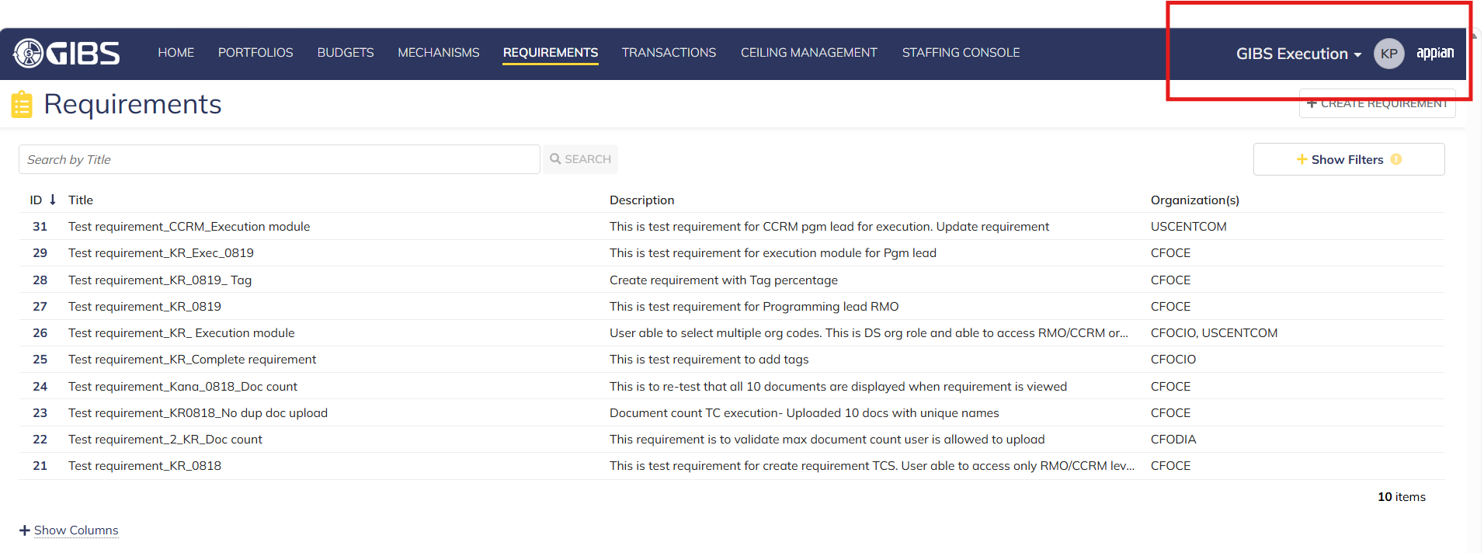

 | Deactivating Req 24

